Sheet1
Sanborn: The final part is obviously the, you know, the apex of the pyramid there

The apex of a pyramid is typically referred to as a capstone, and is also known as a BENBEN or PYRAMIDION.
One of the most recognizable capstones would be that of the Eye of Providence on the back of a $1 bill.

"Running the Alphabet", a form of Caesar shift analysis.

 | B | E | N | B | E | N | B | E | N | N | E | B
 | C | F | O | C | F | O | C | F | O | O | F | C
 | D | G | P | D | G | P | D | G | P | P | G | D
 | E | H | Q | E | H | Q | E | H | Q | Q | H | E
 | F | I | R | F | I | R | F | I | R | R | I | F
 | G | J | S | G | J | S | G | J | S | S | J | G
 | H | K | T | H | K | T | H | K | T | T | K | H
 | I | L | U | I | L | U | I | L | U | U | L | I
 | J | M | V | J | M | V | J | M | V | V | M | J
 | K | N | W | K | N | W | K | N | W | W | N | K
 | L | O | X | L | O | X | L | O | X | X | O | L
 | M | P | Y | M | P | Y | M | P | Y | Y | P | M
 | N | Q | Z | N | Q | Z | N | Q | Z | Z | Q | N
 | O | R | A | O | R | A | O | R | A | A | R | O
 | P | S | B | P | S | B | P | S | B | B | S | P
 | Q | T | C | Q | T | C | Q | T | C | C | T | Q
 | R | U | D | R | U | D | R | U | D | D | U | R
 | S | V | E | S | V | E | S | V | E | E | V | S
 | T | W | F | T | W | F | T | W | F | F | W | T
 | U | X | G | U | X | G | U | X | G | G | X | U
 | V | Y | H | V | Y | H | V | Y | H | H | Y | V
 | W | Z | I | W | Z | I | W | Z | I | I | Z | W
 | X | A | J | X | A | J | X | A | J | J | A | X
 | Y | B | K | Y | B | K | Y | B | K | K | B | Y
 | Z | C | L | Z | C | L | Z | C | L | L | C | Z
 | A | D | M | A | D | M | A | D | M | M | D | A
 | B | E | N | B | E | N | B | E | N | N | E | B

Needless to say, a spreadsheet is a lot simpler than pencil and paper, and the results
are fantastic, since all three mini-pyramids refer to major Kryptos clues.

N/CEOF - Not only are the the letters immediately preceeding the IQLU "error" but
they are also the sequence needed to break Vigenere with Kasisiski Tests.

IKLU - A variation on IQLU found within K4.

KNOW - (K2) WW Knows… (K3) SLL-SLL-NOHS sequence

The first BENBEN illustrates the above clues. Turning it into BENNEB creates a capless
pyramid without it's BENBEN and emphasizes WW KNOWS NOS (numbers)

Why is this significant? Treat K1 as a puzzle. Substitute the BENBEN, one half for each capstone.

BETWEEN SUBTLE SHADING AND THE ABSENCE OF LIGHT LIES THE NUA [NCEOF] [KLUS] ION. IT WAS TOTALLY INVISIBLE.
BETWEEN SUBTLE SHADING AND THE ABSENCE OF LIGHT LIES THE NU. A [BENBEN/PYRAMID] ION. IT WAS TOTALLY INVISIBLE.

The NU is the ancient primoridal waters from which a BENBEN mound arises.

What's so special about a BENBEN? Take a look at one below and when you research the meaning of the hieroglyphs, you'll
notice something very familiar, a line of Pharaoh naming text that has a lot in common with the King's Wishiping Cup found
in King Tut's tomb. Given that these tombs came about after pyramids fell from fashion, you might consider it a capstone….
That rock looks a lot like the ones Sanborn used too.
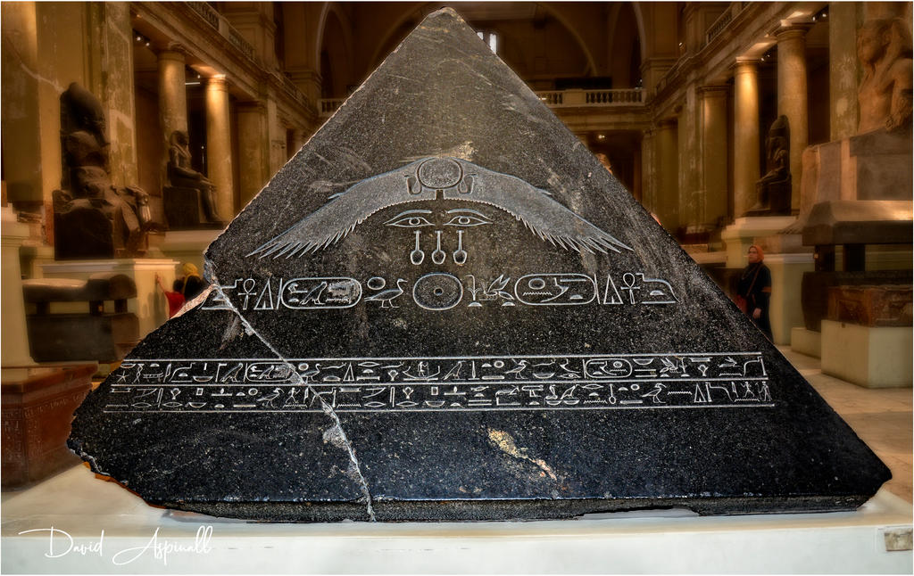

From a cradle or crib of civilization, all the way to it's tomb, you could say. Inversion.
From K1 to K4. Everything now links.

